TG-WEB 非言語
 |  | 回答 |  | 確認
立方体の展開図は次の内どれか | XYZ | 4
図はある立体の平面図、正面図、 | この立体の面の見取り図として | 2
下の図はある立体を真正面 | この立体の辺の数はいくつあるか | 30本 28本 32本 |  | 確認必
OKOkOk | BとIの間に一人がゴールイン | EBCIHFGAJD | 5位 | Ok
XとYの二人がじゃんけんの10回勝負 | X=3,4,3(グチパ｝Y=7.1.2 | ４勝６敗
A～Fの6チームでサッカーのリーグ戦 |  | 4.DはCに負けた |  | OK
甲高校からPQR高校からXYZの3人ずつ選手を選出 | Rは誰に勝ったか | X
立方体の6つの面のうち3つの面に赤い色をつけた。 | 組み立てたものが他の4つと異なる展開図 | 2 |  | OK
図のように合同な8個の直角に等辺三角形 | ありえない図形 | ４．正三角形 |  | OKOK
PQRSTUの6人が下の図のような四角いテーブルを囲んで座った | Pは何色のシャツを着ていたか | 白色 |  | OKOK
PQRSの4人のロッカー | 正しい発言はどれ | SPQR | Qは3のロッカーを使っている
図の〇の中に1から9までの数字を入れる | どの四隅の合計が20の時、Aに入る数字は | 8 |  | OK
A～Dの内、A.B.Cが発現をしている | 2人が嘘1人ホントの時、確実に言える事 | Aが正しい | 男性が3人、女性が1人
正方形の紙を２回、三つ折りにする | 穴をあけた | 1
X,Y二種類の積み木がある。 | Xは底面が6㎝の正方形で高さ4㎝、Yは6㎝×12㎝の長方形 | X=2個、Y=５個
A～Eの5人は月曜日から金曜日までの間、2日間フィットネスクラブに通っている。 |  | 1. Aは月曜日に通っていた。 |  | OKOKOKOKOK
ある美術館に、男の人が50人、大人が35人、大人の男の人が15人 | 美術館には全部で何人いるか | 90人
下図のような2つの矢印の入った正四面体 |  | 3 |  | OKOKOK
多面体についてのア～オの記述の中から |  | ・6枚の三角形を組み合わせて六面体を作ることができる | ・正十二面体の面の形は正五角形である | ４，ウオ | OKOKOKOKOKOK | 杉下
下の図のような8個の正方形がつながった図形がある。 | この８個の正方形のうち2個の正方形を切り取る | ３通り |  | OK
ヒマワリは「2△4、3△3、1△13…」と表せる。「山猫」は？ |  | Ma | ２；3▽4/1△1/13△1/1△1…
ある暗号で「K5N4」が「パリ」 | 「G1J5A4」が「ドバイ」 | ３；J5N3D2N1H5
下の図はA,B,C,D,E,F,Gの7つの店の配置を示したもの |  | １；A店の店先からは、B.D.F.Gの店先が見える |  | OKOKOK
エヌ氏は下図の遊園地を訪れた。入り口から入り、A～Gの7つの建物 | エヌ氏が通らなかった道にある建物はどれか | B |  | OK | BかEか迷っています
ある事件の容疑者としてA～Dの4人が取り調べを受けており、 |  | Aは犯人じゃない | BとCが犯人 | 4が答え
ある人は財布の中に14枚の硬貨を持っていた。その合計金額は750円であり、 |  | 500円；１００円1枚。50円2枚 10円4枚 5円１枚 1円5枚 | 4枚 | OK
次の軌跡は、1～５の図のうちのどれかが直線上をすべることなく回転したとき、 |  | ４：台形 |  | OK
OKOk |  | 4：手前2段目横1個＋奥縦2個 |  | OK
下の図の4つの説明文とトーナメント表から判断して正しいものは |  | ECDBAF | Dはウである
A,B,C,D,は黄色、青色、赤色のどれか1つの帽子をかぶっている。 |  | ５；Cは赤い帽子をかぶっている |  | OK
Aの家から北に400ｍ行き、東に400ｍ行くとＢの家がある。 |  | ５；ＡＤ間の距離はＢＣ間の距離の2倍 |  | OKOK
数列1/1,1/2,2/1,1/3,2/2,3/1,1/4,2/3,… | 9個目の1となる分数は元の数列の第何項か | ２；145項
A〜Eの5人が数学のテストを受けた。そのときの得点差について | 得点の低かったほうから高かったほうへ正しく並べてあるのは、1〜5のいずれか。 | ４；ＥＢＤＣＡ |  | OKOK
東西に延びた直線道路の北側にＡ，Ｂ，Ｃの４つのビルがある。 | 道路から最も離れているのはＡで、 | ３；ＣＢＤＡ
次のような図形Ａ、Ｂがある。Ｘ、Ｙの片方を90°回転し、もう片方は |  | ２；
立方体の展開図は次の内どれか | XYZ | 4
A～Jの10人がマラソンをした | BとIの間に一人がゴールイン | EBCIHFGAJD | 5位 | OKOK
XとYの二人がじゃんけんの10回勝負 | X=3,4,3(グチパ｝Y=7.1.2 | ４勝６敗
A～Fの6チームでサッカーのリーグ戦 | Aは勝ち点13だった | DはCに負けた
甲高校からPQR高校からXYZの3人ずつ選手を選出 | Rは誰に勝ったか | X
立方体の6つの面の内3つの面に赤い色をつけた | 組み立てたものが他の4つと異なる展開図 | 2 |  | OK
図のように合同な8個の直角二等辺三角形がある | ありえない図形は | 4 正三角形 |  | OK
PQRSTUの6人が下の図のような四角いテーブルを囲んで座った | Pは何色のシャツを着ていたか | 白色
PQRSの4人のロッカー | 正しい発言はどれ | SPQR | Qは3のロッカーを使っている
図の〇の中に1から9までの数字を入れる | どの四隅の合計が20の時、Aに入る数字は | 8
A～Dの内、A.B.Cが発現をしている | 2人が嘘1人ホントの時、確実に言える事 | Aが正しい | 男性が3人、女性が1人
正方形の紙を２回、三つ折りにする | 穴をあけた | 1
X,Y二種類の積み木がある。 | Xは底面が6㎝の正方形で高さ4㎝、Yは6㎝×12㎝の長方形 | X=2個、Y=５個
ある美術館に、男の人が50人、大人が35人、大人の男の人が15人 | 美術館には全部で何人いるか | 90人
下の図のような2つの矢印の入った正四面体 |  | 3
下の図のような8個の正方形がつながった図形がある。 | この８個の正方形のうち2個の正方形を切り取る | ３通り |  | ok
ひまわりは「2△4、3△3、1△13…」と表せる。「山猫」は？ |  | Ma | ２；3▽4/1△1/13△1/1△1…
ある暗号で「K5N4」が「パリ」 | 「G1J5A4」が「ドバイ」 | ３；J5N3D2N1H5 | ３；J5N3D2N1H5 | OK
下の図はA,B,C,D,E,F,Gの7つの店の配置を示したもの |  | １；A店の店先からは、B.D.F.Gの店先が見える
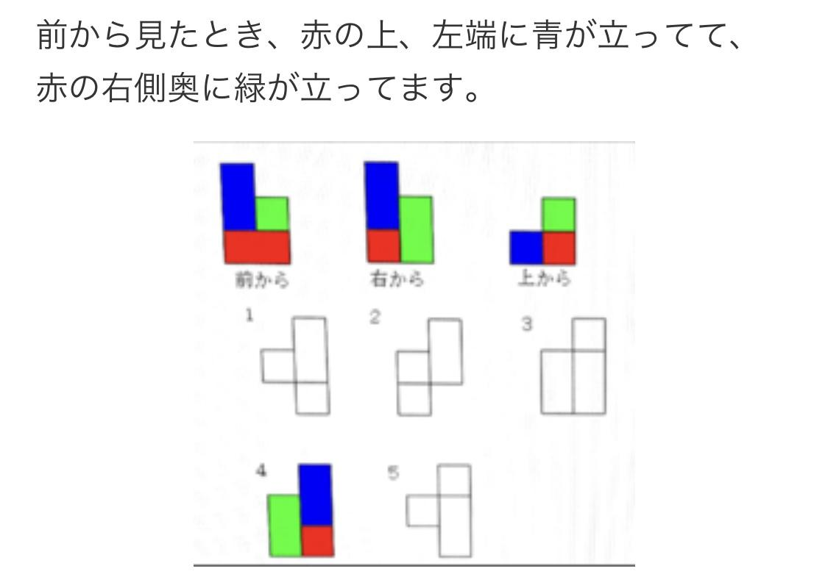
ある事件の容疑者としてA～Dの4人が取り調べを受けており、 |  | Aは犯人じゃない | BとCが犯人 | OK
ある人は財布の中に14枚の硬貨を持っていた。その合計金額は750円であり、 |  | 500円；１００円1枚。50円2枚 10円4枚 5円１枚 1円5枚 | 4枚
次の軌跡は、1～５の図形のうちのどれかが直線上をすべることなく回転したとき、 |  | ４：台形
3辺の長さが2,1,１の合同な直方体を３つつなぎ合わせて１つの立体とし、 |  | １；手前2段目横1個＋奥縦2個 |  | 2？4？
下の4つの説明文とトーナメント表から判断して正しいものは |  | 3. Dはウである | ECDBAF | OKOKOK
A,B,C,D,は黄色、青色、赤色のどれか1つの帽子をかぶっている。 |  | ５；Cは赤い帽子をかぶっている
Aの家から北に400ｍ行き、東に400ｍ行くとＢの家がある。 |  | ５；ＡＤ間の距離はＢＣ間の距離の2倍 |  | OK
数列1/1、1/2、2/1、1/3、2/2、3/1、1/4、2/3 | 9個目の1となる分数は元の数列の第何項か | ２；145項 |  | OK
東西に延びた直線道路の北側にＡ，Ｂ，Ｃの４つのビルがある。 | 道路から最も離れているのはＡで、 | ３；ＣＢＤＡ
次のような図形X,Yがある。Ｘ、Ｙの片方を90°回転し、もう片方を180°回転させて、2つの図形をぴったりと重ね合わせたときににできる図形として正しいもの |  | ２； |  | OK
左から白球5個、黒球5個を図1のように並べる。 | 図１の並びに初めて戻るのは何回この「並び替え」を行ったときか | ２ 6回 |  | OK
A〜Dの4人のうち、A、B、Cの3人が次のように発言している。 | 3人の発言は、相手が自分と同性であるときは正しいことをいい、相手が異性だとうそをつくことになっている。3人のうち2人がうそをつき、1人が本当のことをいっていることが分かっているとき、確実にいえるのは次のうちどれか。 | 4:男性が3人、女性が1人いる |  | OKOK
図の◯に1から9までの数字を入れると、どの四隅の数字も合計20になる。 | Aに入る数字はどれか。 | 4:8
次のうち正八面体の展開図として正しいものはどれか。 |  | ２ アとオ |  | OKOK

ある暗号で「前橋」が「17,41,160,23」、「甲府」が「52,31,36」で表される | 「11,51,57,29」はどこか。 | 1:青森 |  | OK
ある町の住人90人にX,Y,Zの３種類の新聞の購読状況X64人、Y38人、Z23人、2紙以上23人 | X,Y,Zの3紙全て購読している人数 | ５．１２人 |  | OK
正六角形ABCDEFの周上において、点PはAから出発して時計回りに、QはCから出発して反時計回り | 線分PQの中点はどのような軌跡を描くか | ２ |  | OKOKOK
A～Dの4人が１００ｍ競走 | Ａ「私は３位。Ｂは１位」 | ２．ＡはＣより順位が下がった |  | OKOKOK
縦1cm、横48cmの細長く薄い紙がある。この紙を横の長さがちょうど半分になるように折り曲げる作業を4回 |  | 2. 15枚 |  | OKOKOK
Ａ～Ｅの5人は月曜日から金曜日までの間、2日間フィットネスジムに通っている。各曜日に5人のうち2人一緒。 | ア、Ａは火曜日に通っていないイ、ＢとＥは水曜日に通った | １．Ａは月曜日に通っていた
P,Q,R,S,T,Uの6人が四角いテーブルを囲んで座った。それぞれ赤、青、黄、緑、白、黒の異なった色のシャツを着ている・Pは斜線の隣に座り、右隣りの人は赤のシャツを着ていた | Pは何色のシャツを着ていたか | ４．白 |  | OKOK
A～Fの6人が将棋のリーグ戦をした結果について、A,B,Cの3人がそれぞれ次のように述べた。A「私はEに負けた」B「私はEに負け、D,E,Fと同じ2勝３敗だった。」C「私は1位だったが、Bに勝てば全勝だった」この中で確実に言えるのは | 1．AはFに負けた 2．BはFに勝った 3．CはAに負けた 4．DはEに負けた 5．FはEに勝った | 5．FはEに勝った |  | OK
20代と30代の男女、合わせて40人があるパーティーに参加した。参加者のうち、女性は20人、30代は16人、眼鏡をかけている者は10人であった。また、20代の男性は8人で、眼鏡をかけている30代は4人であった。このとき、30代の女性は何人いるか。 | 1．2人 2．4人 3．6人 4．8人 5．10人 | 2．4人 |  | OKOKOK
Ａ～Ｅの５種類の飲料を飲んだことがあるか調査したところ、次のことが分かった ・Ａを飲んだことのある人はみなＤを飲んだことがない ・Ａを飲んだことのある人の中にはＥを飲んだことがある人がいる。 ・Ｃを飲んだことのある人はみなＤをを飲んだことがある。 ・Ｃを飲んだことのある人の中にはＢを飲んだことがある人がいる。 このときア～エのうち確実にいえるものを選びなさい。 | ア Ａを飲んだことのある人はみなＣを飲んだことがない。 イ Ｄを飲んだことのある人の中にはＥを飲んだことのない人がいる。 ウ Eを飲んだことのある人の中にはBを飲んだことのない人がいる。 エ Eを飲んだことのある人の中にはＤを飲んだことのない人がいる。 | ア、エ
正四面体の４つの頂点を、それぞれの頂点の集まる３つの辺の中点を通る平面ですべて切り落とすとき、中央に残る立体は次の１～５のうちどれか。 | １四面体、２六面体、３八面体、４十面体、５十二面体 | ３八面体 |  | OK
下図のように正方形の紙を２回三つ折りにする。その後、黒色部分を切り取ったとき、切り取った後の紙をもとのように広げた図形として正しいものはどれか。（20.12.19時点非言語１の36p) |  | ４
フランス、ドイツ、イタリア、スペイン、ポルトガルの5か国に行ったことがあるかどうか。フランスに行ったことある者3人、ドイツ、イタリア、スペインそれぞれ2人、ポルトガル1人 | ・Aはイタリア行ったがドイツ×・Bスペイン行ったがフランス×・Cはドイツ行ったがイタリア×・Dはポルトガル＋１・Eはスペイン行ったがフランス× | ３ＢとＤは同じ所に行かなかった |  | OK
次の図のような図形をすき間なく敷き詰めて正方形を作るには、最低何枚必要か | 凸のような図形 | 24枚 |  | OK
次の立方体の展開図を組み立てたとき、正しいものはどれか |  | 4 |  | OK
A〜Fの6チームが野球のリーグ戦を行った。引き分けがなく、同率もなかった。 | 確実に言えるのは次のうちどれか。 | 2.Dチームは4勝1敗であった |  | OKOK
A、B、Cの3人は、ある日美術館、野球場、映画館のいずれか一か所に出かけた。 | 確実に言えるのは次のうちどれか。 | 4.Cは美術館へ行った |  | OK
XとYの2人がじゃんけんの10回勝負をした。 | この10回勝負でXは何勝何敗だったか。 | 2.4勝6敗 |  | OK
ある暗号で「ひまわり」 | 「山猫」を表したものはどれか | 2.３▽４、１▽１ |  | ok
P,Q,R,S,T,Uの五人がマラソン | ・五人のうち三人は男、二人は女・同じ順位の者はいない・QとSの間の順位の者が一人 | ３．二個
下の図の正方形A、Bの中の区画を絵の具で塗り分けたい。 | それぞれ最低何色あれば足りるか。線で隣接している区画には異なる色で。 | ２．A=3、B=4 |  | OKOKOKOK
－1、０、２、６、□、30、６2、□・・・ | □に入る数字の合計 | 4,140
X,Y,Zの三つの店の利用状況。90人にアンケートX43人 Y33人 Z46 | 3店とも利用してない人 | ５．24
次のような図X,Y片方を90度回転もう片方を180度回転 重ね合わせた時の図形は |  | ２
8個の正方形が繋がった図がある。8個の正方形のうち2個の正方形を切り取ると立方体の展開図がつくれる | 正方形の切り取り方は何通りか | ２．2通り
次の立方体の展開図を組み立てた時の正しいもの | X,Y,Zがかかれ、組み立てると立方体になる展開図 | ４
P,Q,R,Sの4種類の商品について次のことが分かっている | pを買った事のある人のうち、ある人はQも買ったことがあり、ある人はRも買ったことがある・Qを買ったことがある人とはSも買ったことがある | ５．Sを買ったことがある人のうち、ある人はPも買ったことがある |  | OKOK
東西に延びた直進道路の北側にA,B,C、Dの四つのビルがある。道路から見てはなれているのはAでB,C,Dの順に近くなっている。 |  | １．A,D,B,C
正十二面体の頂点の数と正二十面体の頂点の数の和はいくつになるか |  | 1. 32 |  | OK
次のうち正多面体の展開図となっているものはどれか。 |  | 5(正八面体) |  | OK
ある仕事を仕上げるのに、A１人だと30日、B１人だと20日かかる。A,Bの２人で9日間仕事をし、残りをB１人で仕上げたとき、B１人で仕事をしたのは何日間か。 |  | 1、5日 |  | OKOKOKOK
A,B,Cの３人は、ある日美術館、野球場、映画館のいずれか１か所にでかけた。１人は電車で、１人はバスで、１人は徒歩でいった。野球場へ行った者はメガネをかけており、バスで行った。Cは電車で行った。Aはメガネを掛けておらず、美術館へは行かなかった。このとき確実に言えることはどれか。 |  | ４，Cは美術館へ行った
P,Q,R,Sの4人がロッカーが下の図のように並んでいて、４人はそれぞれ異なるロッカーを使っている。次の発言はSを除く３人の発言である。このとき、正しいと言えるのはいずれか。「私は２のロッカーを使っている」「私はPとRの間のロッカーを使っている」「私は３のロッカーの隣を使っているが、私はPではない」 |  | ２，Qは3のロッカーを使っている |  | OKOK
相対する面の目の和が7である図１のサイコロ４個を、互いに接する面の和が3または9になるようにして図２のように並べた。斜線を施した３つの面の目の和はいくつ |  | ５，１２ | 答えが4の場合があるので注意 | OKOKOK
住所を頼りに本田くんのアパートを訪ねたが、このアパートには１号室から６号室まで６部屋あり、表札がないため、どれが本田くんの部屋か分からなかった。そこで、通りすがりの近所の人に聞くと、「吉田さんと酒井さんは部屋番号が２つ違い、遠藤さんと岡崎さんの部屋番号を足すと７になります。１号室は誰も住んでいませんよ」。本田くんは何号室か |  | 2,3号室 |  | OKOKOK
住所を頼りに安藤君のアパートを訪ねたが、このアパートには１号室から６号室まで６部屋あり、表札がないため、どれが安藤君の部屋か分からなかった。そこで、通りすがりの近所の人に聞くと、「井上さんと上田さんは部屋番号が２つ違い、遠藤さんと岡田さんの部屋番号を足すと７になります。5号室は誰も住んでいませんよ」。安藤くんは何号室か |  | 3.3号室 |  | OK
重さ4gと６ｇの分銅が１つずつある。これらの分銅を用いて重さを測定するとき、４g，６g以外に2g,10gを測定できる。いま,7gと12gの分銅が無数にある。これらの分銅を用いて重さを測定するとき、最も軽い軽さは何gを測定することができるか。 |  | １. 1g |  | OK
佐藤、鈴木、渡辺、山田の4人が6日間の仕事をした。1日2人ずつがペアになって働き、1人3日間働いた。同じ相手とペアを組むことは1日だけだった。次のア〜エのことがわかっているとき、正しいものはどれか。ただし、６日間の天気は、晴れ、曇り、雨のいずれかであったとする。 ア 佐藤と鈴木がペアを組んだ日は晴れだった。 イ 鈴木は、晴れの日に2回、曇りの日に1回働いた。 ウ 渡辺は、雨の日に2回働いた。 エ 山田は、曇りの日に2回働いた。 |  | 3.佐藤と山田がペアを組んだ日は曇りだった。 |  | OKOK
...

